Description
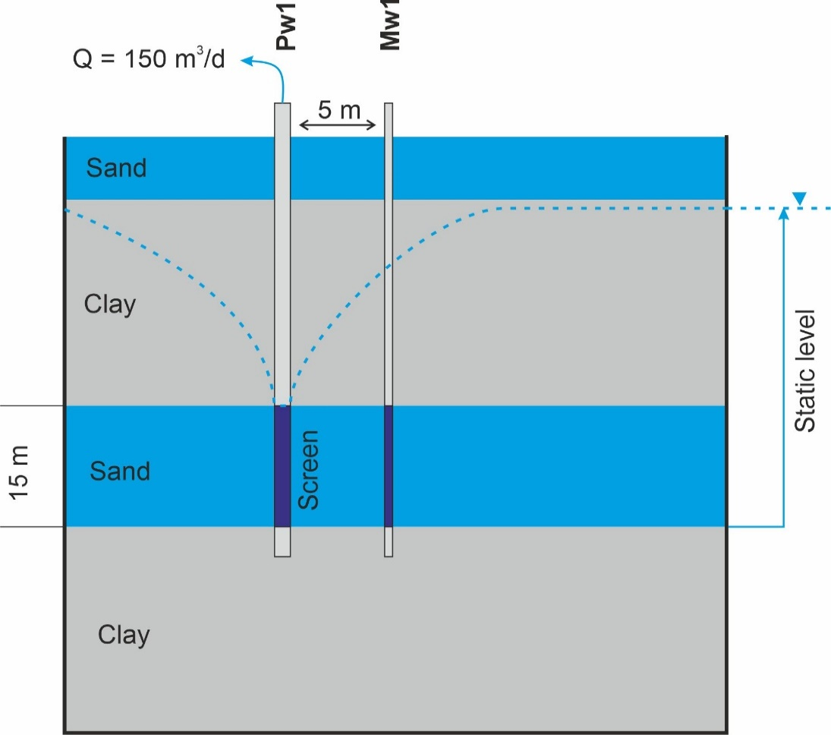
A constant rate pumping test is conducted in an infinite sedimentary aquifer. The 15-m thick horizontal sand layer is deposited between low-permeable clay layers (Figure 1). The fully penetrating well (Pw1) is pumped for one day with the constant rate of 150 m3/day, and manual drawdown measurements are conducted in a monitoring well and the pumping well. The monitoring well (Mw1) is located 5 m from the pumping well and screened over the entire thickness of the sand layer. Wellbore radius is 0.075 m

Original data
Elapsed time, min | Hydraulic Head, 50 m AHD |  | Comments | Static water level: 50 m AHD
 | Pw1 | Mw1
0.5 | 47.04 | 49.51 | start of pumping
1 | 46.29 | 49.16
2 | 45.76 | 48.80
3 | 45.55 | 48.62
5 | 45.30 | 48.39
7 | 45.15 | 48.24
10 | 44.99 | 48.09
15 | 44.82 | 47.93
20 | 44.70 | 47.81
25 | 44.61 | 47.72
30 | 44.53 | 47.64
35 | 44.47 | 47.58
40 | 44.42 | 47.53
50 | 44.33 | 47.44
Pumping
 | Pw1 | Pw2
0.5 | 2.96 | 0.49
1 | 3.71 | 0.84
2 | 4.24 | 1.20
3 | 4.45 | 1.38
5 | 4.70 | 1.61
7 | 4.85 | 1.76
10 | 5.01 | 1.91
15 | 5.18 | 2.07
20 | 5.30 | 2.19
25 | 5.39 | 2.28
30 | 5.47 | 2.36
35 | 5.53 | 2.42
40 | 5.58 | 2.47
50 | 5.67 | 2.56
60 | 5.75 | 2.63
70 | 5.81 | 2.69
80 | 5.85 | 2.74
90 | 5.90 | 2.79
100 | 5.94 | 2.83
120 | 6.02 | 2.91
150 | 6.11 | 3.00
200 | 6.23 | 3.11
300 | 6.39 | 3.28
400 | 6.51 | 3.40
500 | 6.60 | 3.48
600 | 6.66 | 3.55
700 | 6.72 | 3.61
810 | 6.78 | 3.67
915 | 6.83 | 3.72
1010 | 6.87 | 3.76
1111 | 6.91 | 3.79
1318 | 6.98 | 3.86
1440 | 7.01 | 3.90
60 | 44.25 | 47.37
70 | 44.19 | 47.31
80 | 44.15 | 47.26
90 | 44.10 | 47.21
100 | 44.06 | 47.17
120 | 43.98 | 47.09
150 | 43.89 | 47.00
200 | 43.77 | 46.89
300 | 43.61 | 46.72
400 | 43.49 | 46.60
500 | 43.40 | 46.52
600 | 43.34 | 46.45
700 | 43.28 | 46.39
810 | 43.22 | 46.33
915 | 43.17 | 46.28
Recovery
 | Pw1 | Mw1
2 | 4.22 | 1.19
4 | 4.59 | 1.51
6 | 4.78 | 1.69
8 | 4.90 | 1.81
10 | 5.00 | 1.90
12 | 5.08 | 1.98
14 | 5.14 | 2.04
16 | 5.20 | 2.09
18 | 5.25 | 2.14
20 | 5.29 | 2.18
30 | 5.45 | 2.35
36 | 5.53 | 2.42
46 | 5.63 | 2.52
50 | 5.66 | 2.55
61 | 5.73 | 2.62
71 | 5.79 | 2.68
80 | 5.83 | 2.73
90 | 5.88 | 2.77
100 | 5.92 | 2.81
110 | 5.95 | 2.84
120 | 5.99 | 2.88
130 | 6.02 | 2.91
140 | 6.04 | 2.93
150 | 6.07 | 2.96
180 | 6.13 | 3.02
200 | 6.17 | 3.06
260 | 6.26 | 3.15
320 | 6.33 | 3.22
380 | 6.39 | 3.28
440 | 6.43 | 3.32
500 | 6.47 | 3.36
560 | 6.50 | 3.39
620 | 6.53 | 3.42
680 | 6.56 | 3.45
740 | 6.58 | 3.47
800 | 6.60 | 3.49
900 | 6.63 | 3.52
1000 | 6.66 | 3.55
1100 | 6.68 | 3.57
1200 | 6.70 | 3.59
1300 | 6.71 | 3.60
1440 | 6.73 | 3.62
1010 | 43.13 | 46.24
1111 | 43.09 | 46.21
1318 | 43.02 | 46.14
1440 | 42.99 | 46.10 | End of pumping
1442 | 47.21 | 47.29 | Start of recovery
1444 | 47.58 | 47.61
1446 | 47.77 | 47.79
1448 | 47.89 | 47.91
1450 | 47.99 | 48.00
1452 | 48.07 | 48.08
1454 | 48.13 | 48.14
1456 | 48.19 | 48.20
1458 | 48.23 | 48.24
1460 | 48.28 | 48.29
1470 | 48.44 | 48.45
1476 | 48.52 | 48.52
1486 | 48.62 | 48.62
1490 | 48.65 | 48.65
1501 | 48.72 | 48.73
1511 | 48.78 | 48.79
1520 | 48.82 | 48.83
1530 | 48.87 | 48.88
1540 | 48.90 | 48.91
1550 | 48.94 | 48.95
1560 | 48.98 | 48.98
1570 | 49.01 | 49.01
1580 | 49.03 | 49.04
1590 | 49.06 | 49.06
1620 | 49.12 | 49.13
1640 | 49.16 | 49.16
1700 | 49.25 | 49.26
1760 | 49.32 | 49.32
1820 | 49.38 | 49.38
1880 | 49.42 | 49.43
1940 | 49.46 | 49.46
2000 | 49.49 | 49.50
2060 | 49.52 | 49.53
2120 | 49.55 | 49.55
2180 | 49.57 | 49.57
2240 | 49.59 | 49.59
2340 | 49.62 | 49.62
2440 | 49.64 | 49.65
2540 | 49.67 | 49.67
2640 | 49.69 | 49.69
3740 | 49.70 | 49.71
2880 | 49.72 | 49.73

